Sheet1
AMOUNT PER YEAR
Row Labels | Sum of Amount
2014 | 2,454,714,033.0
2015 | 1,006,475,456.0
2013 | 613,643,884.0
Grand Total | 4,074,833,373.0

Sheet2
TOP CARD IN KANPUR
City | Kanpur, India

Row Labels | Sum of Amount
Signature | 30,764,626.0
Platinum | 28,700,478.0
Silver | 27,598,725.0
Gold | 27,306,703.0
Grand Total | 114,370,532.0

Sheet3
City | Greater Mumbai, India
Card Type | Platinum

Row Labels | Sum of Amount
F | 80135260
Grand Total | 80135260

Sheet4
Sum of Amount | Column Labels
Row Labels | 2013 | 2014 | 2015 | Grand Total
Gold | $144,740,555.00 | $600,688,076.00 | $239,110,905.00 | $984,539,536.00
Platinum | $155,964,176.00 | $600,077,102.00 | $251,597,741.00 | $1,007,639,019.00
Signature | $161,225,096.00 | $606,750,478.00 | $245,065,531.00 | $1,013,041,105.00
Silver | $151,714,057.00 | $647,198,377.00 | $270,701,279.00 | $1,069,613,713.00
Grand Total | $613,643,884.00 | $2,454,714,033.00 | $1,006,475,456.00 | $4,074,833,373.00

Sheet6
CARD PERFORMANCE PER YEAR

Row Labels | Count of Gender
2014 | 15791
2015 | 6334
2013 | 3927
Grand Total | 26052

DASH
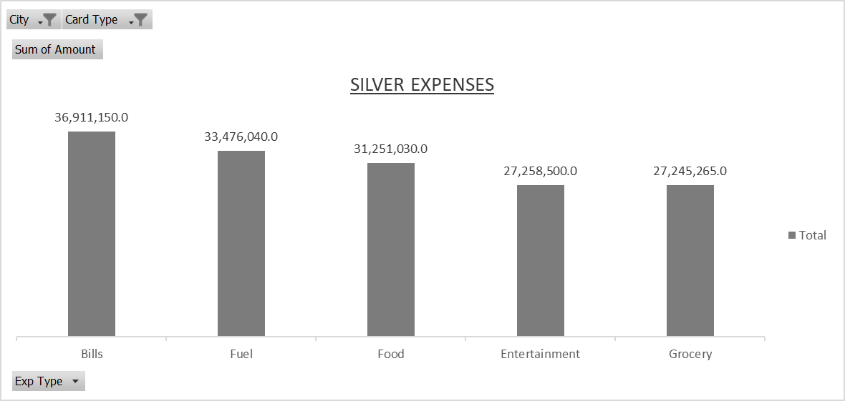
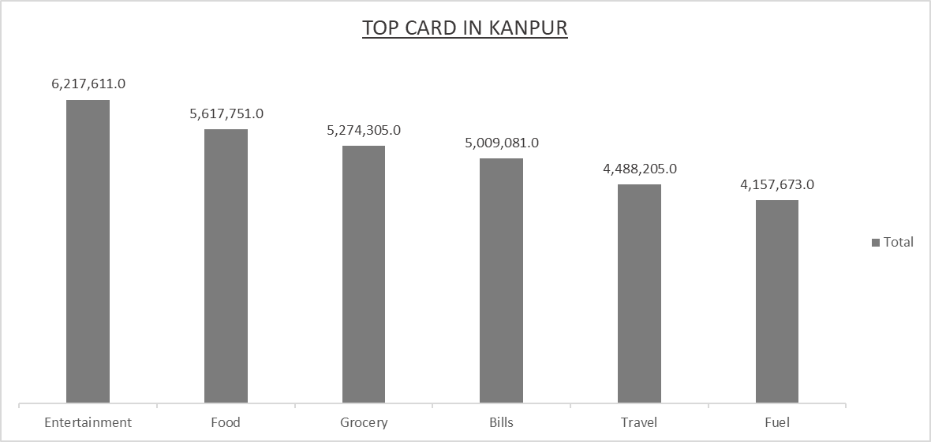
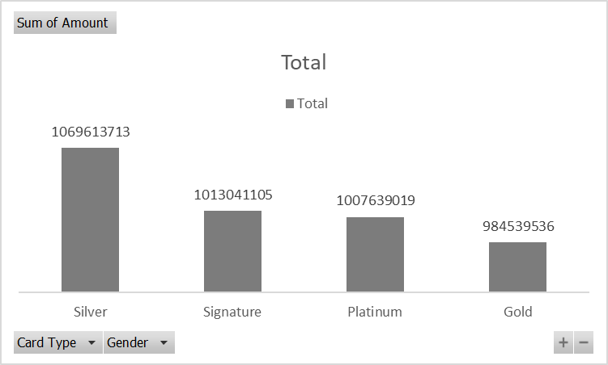
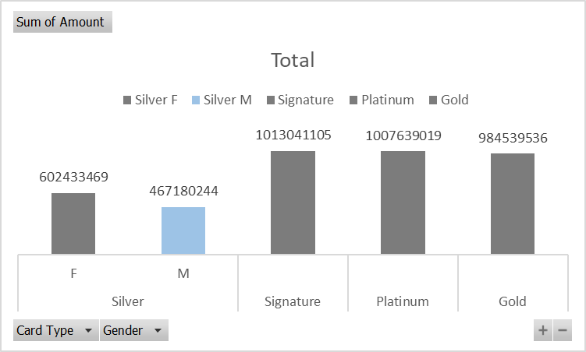

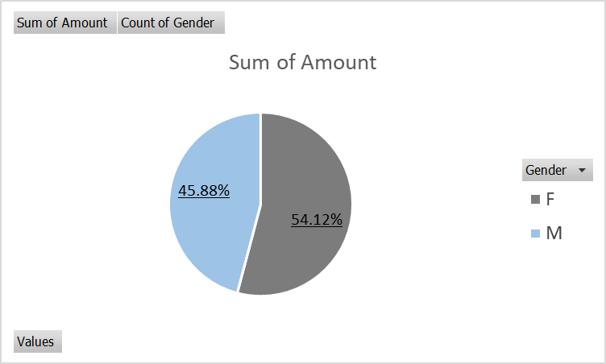
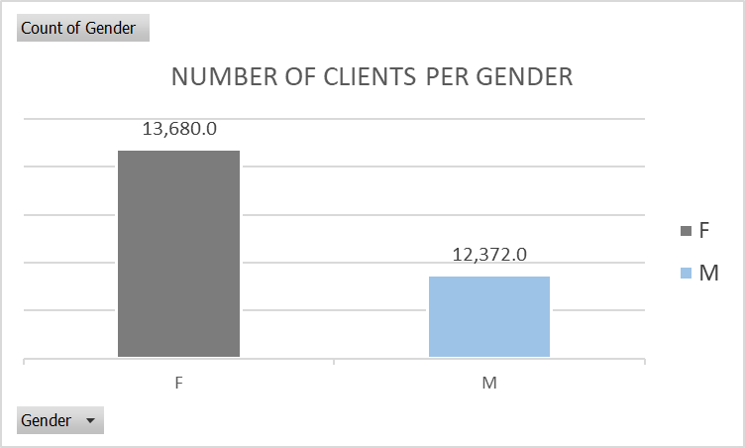

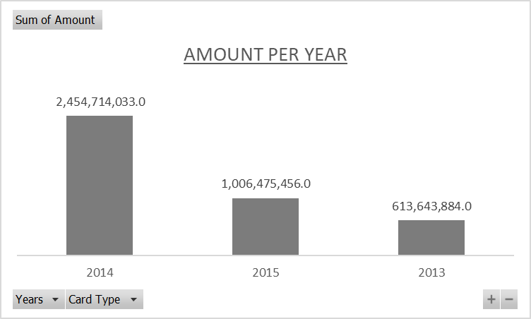
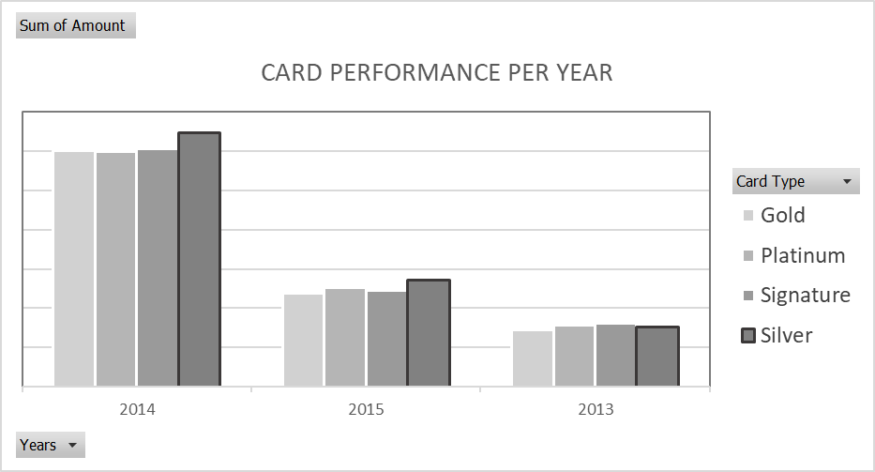

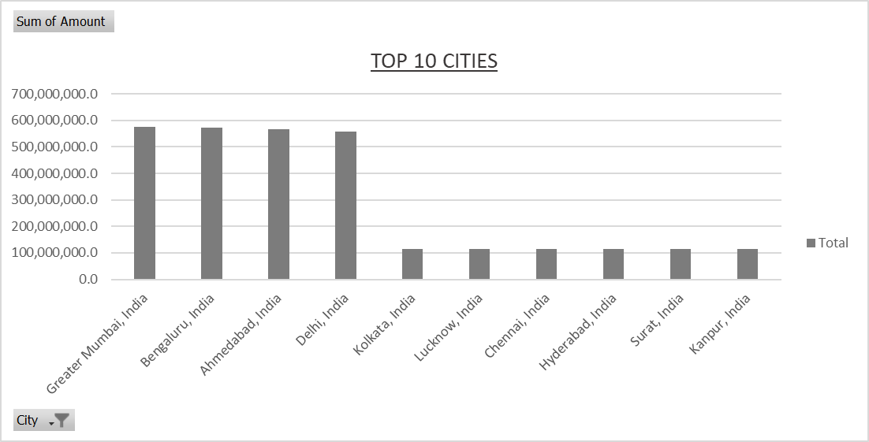
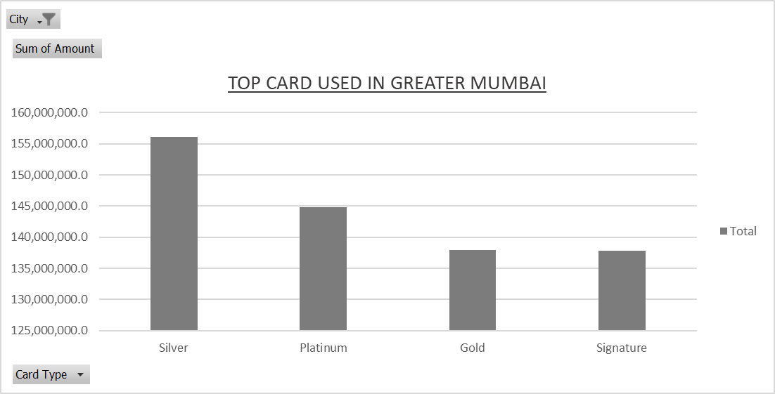

TOP CARD IN KANPUR
 | Total
Signature | 30,764,626.0
Platinum | 28,700,478.0
Silver | 27,598,725.0
Gold | 27,306,703.0

